Pivot
Total Amount of Bike Accessories Sold by Gender
Most sold product between male & Female clients In uk cities 2013
EnglishProductCategoryName | (All)

Count of EnglishProductCategoryName | Column Labels
Row Labels | F | M | Grand Total
2012 | 200 | 223 | 423
2013 | 2997 | 3138 | 6135
Grand Total | 3197 | 3361 | 6558

Year | 2013

Sum of Total_Price | Column Labels
Row Labels | Accessories | Bikes | Clothing | Grand Total
Basingstoke Hants | 83.97 | 2443.35 | 8.99 | 2536.31
Berks | 1465.6 | 26309.42 | 513.85 | 28288.87
Berkshire | 1138.45 | 34555.87 | 733.81 | 36428.13
Billericay | 1914.18 | 43039.18 | 624.29 | 45577.65
Birmingham | 1437.33 | 25421.85 | 450.86 | 27310.04
Bracknell | 1325.46 | 23090.66 | 436.84 | 24852.96
Bury | 2333.65 | 44173.61 | 897.21 | 47404.47
Cambridge | 999.91 | 23862.22 | 507.87 | 25370
Cheltenham | 2070.91 | 49893.03 | 923.73 | 52887.67
Esher-Molesey | 2005.11 | 65174.81 | 916.34 | 68096.26
Gateshead | 2163.52 | 54893.31 | 765.2 | 57822.03
Gloucestershire | 1129.92 | 21281.81 | 566.32 | 22978.05
High Wycombe | 870.84 | 14842.48 | 445.87 | 16159.19
Kirkby | 1766.68 | 57065.77 | 1219.25 | 60051.7
Lancaster | 1026.68 | 29920.6 | 326.41 | 31273.69
Leeds | 2258.49 | 62471.93 | 850.76 | 65581.18
Liverpool | 1285.9 | 37299.18 | 335.37 | 38920.45
London | 17460.73 | 489297.2 | 6890.5 | 513648.43
Maidenhead | 1303.33 | 33426.11 | 540.37 | 35269.81
Milton Keynes | 2200.84 | 78009.23 | 1196.69 | 81406.76
Newcastle upon Tyne | 2220.74 | 66594.52 | 835.24 | 69650.5
Oxford | 3008.22 | 100210.59 | 1524.05 | 104742.86
Oxon | 1087.31 | 30141.42 | 378.87 | 31607.6
Peterborough | 2420.42 | 50578.95 | 839.73 | 53839.1
Reading | 1128.27 | 19801.47 | 494.34 | 21424.08
Runcorn | 2045.57 | 61429 | 1051.21 | 64525.78
Stoke-on-Trent | 1975.47 | 60259.35 | 1171.65 | 63406.47
W. York | 1540.05 | 27597.34 | 310.91 | 29448.3
Warrington | 3022.82 | 84957 | 716.69 | 88696.51
Watford | 2410.47 | 66777.21 | 1066.67 | 70254.35
West Sussex | 890.37 | 27993.63 | 465.38 | 29349.38
Wokingham | 983.1 | 37967.99 | 480.32 | 39431.41
Woolston | 1194.13 | 35382.36 | 341.37 | 36917.86
York | 3799.18 | 133048.36 | 2001.9 | 138849.44
Grand Total | 73967.62 | 2019210.81 | 30828.86 | 2124007.29

End_Of_Year_Report_Dashboard
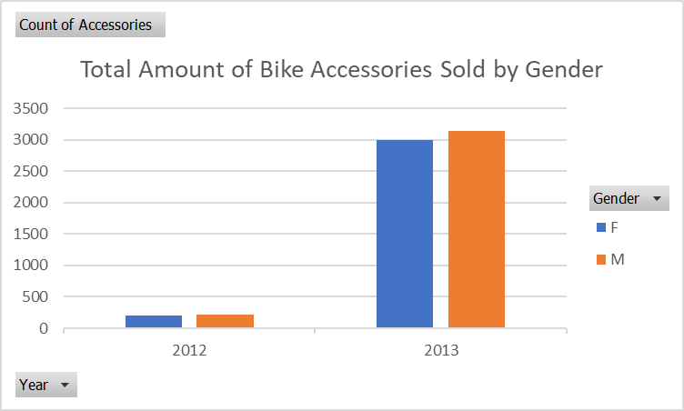
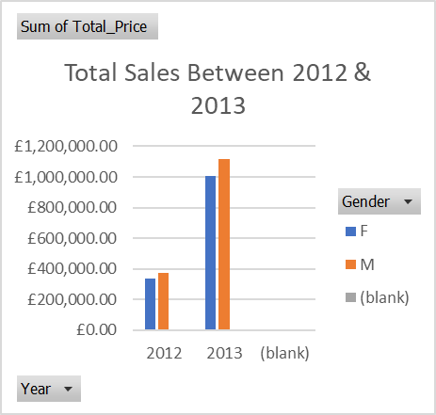
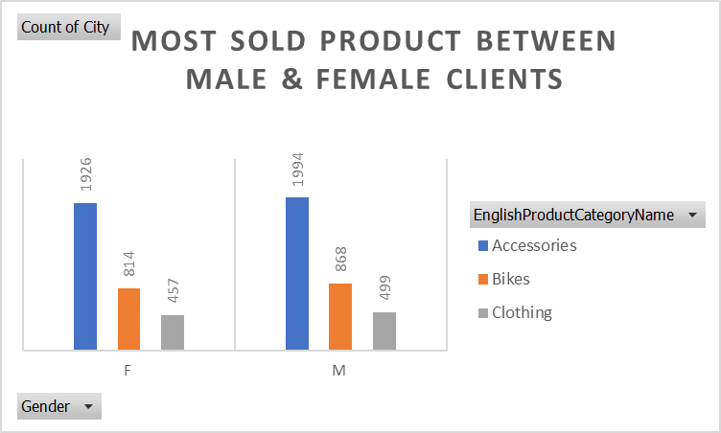
Which product sells the most, among all four categories
Which gender targets the most sold items
Rank most sold items in the UK per cities
Quaterly sales for 2012 and 2013

 | Deduced Information
 | Based on the graph above, we have more male audience targets than female.
 | Going forward, we could split the designs of all products at workstations to be 60% masculine, in order to generate more sales.
 | Or, look for ways to advertise the products to be more appealing to female target audience so that sales can be driven up among female clients.

Total products sold between male & Female clients In uk cities 2013
 | Accessories | Bikes | Clothing
Basingstoke Hants | 83.97 | 2443.35 | 8.99
Berks | 1465.6 | 26309.42 | 513.85
Berkshire | 1138.45 | 34555.87 | 733.81
Billericay | 1914.18 | 43039.18 | 624.29
Birmingham | 1437.33 | 25421.85 | 450.86
Bracknell | 1325.46 | 23090.66 | 436.84
Bury | 2333.65 | 44173.61 | 897.21
Cambridge | 999.91 | 23862.22 | 507.87
Cheltenham | 2070.91 | 49893.03 | 923.73
Esher-Molesey | 2005.11 | 65174.81 | 916.34
Gateshead | 2163.52 | 54893.31 | 765.2
Gloucestershire | 1129.92 | 21281.81 | 566.32
High Wycombe | 870.84 | 14842.48 | 445.87
Kirkby | 1766.68 | 57065.77 | 1219.25
Lancaster | 1026.68 | 29920.6 | 326.41
Leeds | 2258.49 | 62471.93 | 850.76
Liverpool | 1285.9 | 37299.18 | 335.37
London | 17460.73 | 489297.2 | 6890.5
Maidenhead | 1303.33 | 33426.11 | 540.37
Milton Keynes | 2200.84 | 78009.23 | 1196.69
Newcastle upon Tyne | 2220.74 | 66594.52 | 835.24
Oxford | 3008.22 | 100210.59 | 1524.05
Oxon | 1087.31 | 30141.42 | 378.87
Peterborough | 2420.42 | 50578.95 | 839.73
Reading | 1128.27 | 19801.47 | 494.34
Runcorn | 2045.57 | 61429 | 1051.21
Stoke-on-Trent | 1975.47 | 60259.35 | 1171.65
W. York | 1540.05 | 27597.34 | 310.91
Warrington | 3022.82 | 84957 | 716.69
Watford | 2410.47 | 66777.21 | 1066.67
West Sussex | 890.37 | 27993.63 | 465.38
Wokingham | 983.1 | 37967.99 | 480.32
Woolston | 1194.13 | 35382.36 | 341.37
York | 3799.18 | 133048.36 | 2001.9

